Engines
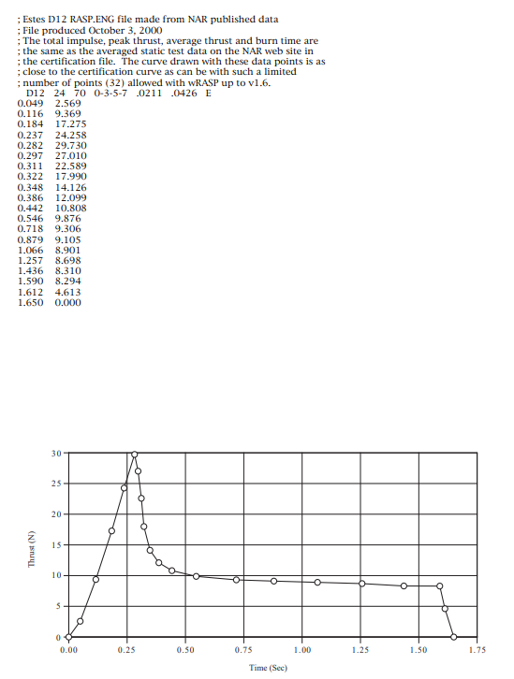
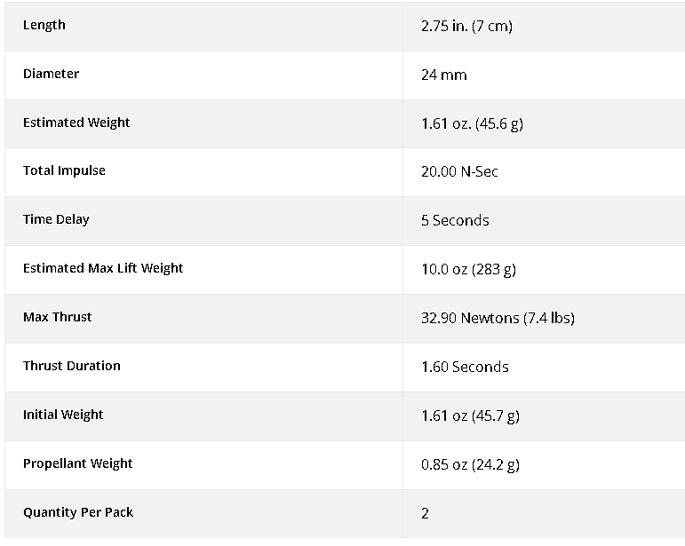
Engines:
ESTES D12-5 |  | Number: | 30.000000
Dimensions:
 | cm | m
Diameter: | 5.25 | 0.05
Height: | 7 | 0.07

Thrust: | 32.90 | N
Total Thrust: | 987 | N
Burn Time: | 1.60 | s
Total Engine Mass: | 1.37 | kg
Total Mass Prop: | 0.73 | kg

Max Lift Weight/u: | 0.28 | kg
Total Max Lift W | 8.49 | kg

Mass Struct: | 1.111 | kg | 1.756

Payload Mass: | 0.000 | kg

Total Initial Mass | 2.482 | kg

TWR: | 40.574

Impulse: | 20 | N*s

Specific Impulse: | 84.245 | s

Burn Velocity: | 285.94 | m/s

Speed of Sound: | 343 | m/s

Max Mach | 0.83

